Sheet1
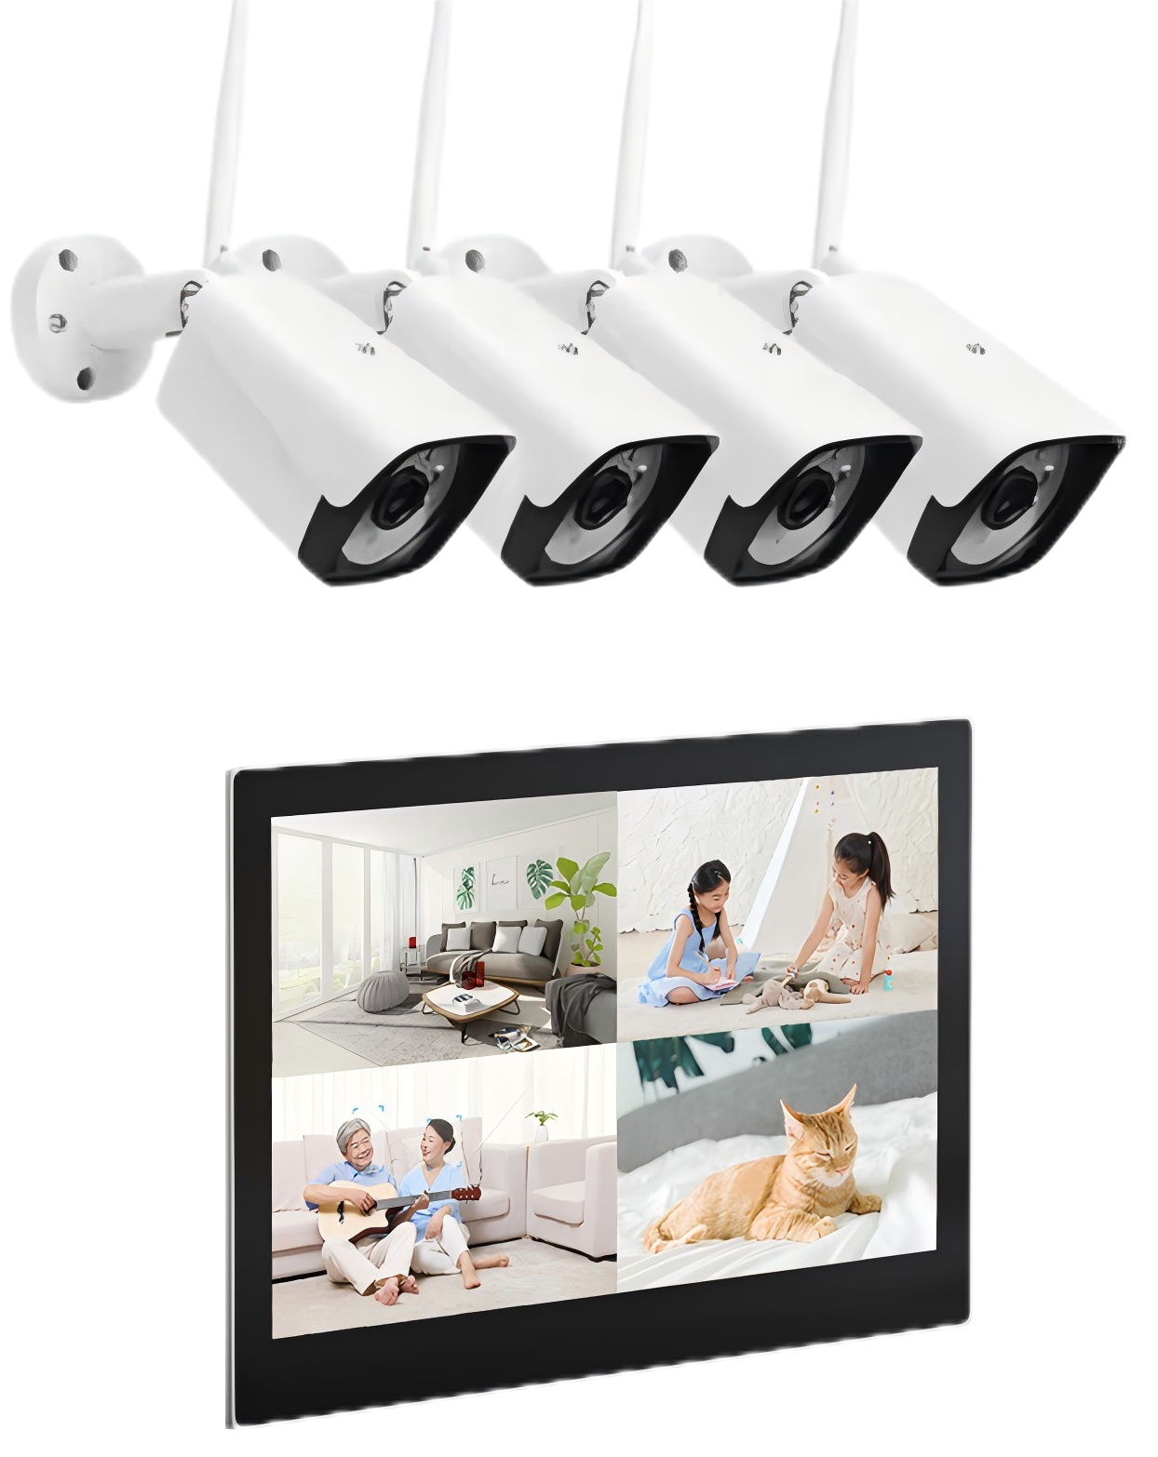
Model No.: |  | KVR-T4204A
APP: |  | Tuya
Specification of Wireless IP Camera:
System structure | Embedded LINUX design, single-core 32-bit DSP (GK7201V200), pure hardware compression, watchdog, 8MB FLASH, 64MB, Built-in DDR;
Sensor | 3MP CMOS (lens optical size: 1/2.7”), color 1.0Lux@F1.2, black and white 0.1 Lux@F1.2; integrated IR-CUT driver, supports linkage control of Sensor+IR-CUT+soft photosensitivity+LED fill light, supports day and night conversion;
Video processing | H.265+/H.265/H.264 video encoding, supports dual streams, supports P and N systems
Frame rate | 3 million 15 frames, supports frame rate adaptation
Image output | Main stream: 2304×1296; Sub stream: 640×360
Audio interface | 1 input, supports microphone or pickup input; 1 1-way output, built-in amplifier (recommended speaker 8Ω/2W);
Audio processing | G.711 codec standard, supports two-way voice intercom function, supports audio and video synchronization; 8khz sampling rate
Network interface | 1 RJ45 Ethernet interface, 10/100M adaptive, 8KV anti-static ability;
WiFi | 1 DC3.3V WiFi module, supports 2.4G frequency;
Signal interface | 1 IRCUT interface, supports IR-CUT and image linkage control;
Lightning protection | Power supply and network are fully lightning-proof, front-end power input is lightning-proof, anti-static, and anti-reverse connection
ONVIF protocol | Not Support
OTA | Support
Business function | Supports OSD, supports real-time video transmission, supports motion detection, supports human detection
Power supply | DC12V power input interface, 1.2W-3.3W power consumption;
Working environment | -20℃～+55℃
Specification of NVR Monitor:
Model | Wireless Video Monitor
Image Signal Processor | SOC
Operating System | LINUX
LCD | 10.1-inch TFT LCD
Resolution | 1280*800
Operation method | Capacitance touch screen
Operation interface | Flat style UI interface, easy to operate
Outdoor camera | Max support 8*Outdoor camera
Video Compression | H265/H264
Record | Support scheduled recording and event recording
Storage | TF card and SSD
Hard Disk | 1 x SSD, Max 1TB
TF Card | 1 x TF Card , Max 256GB
USB Interface | 1 × USB 2.0
Audio Input | Built-in microphone
Audio Output | Built-in speaker
Audio Compression Standard | G.711U
Audio Compression Rate | 64Kbps
Sound Quality | Supports noise suppression and echo cancellation
APP | Support tuya APP,Support remote intercom and unlock
Network Interface | 1 RJ-45 10/100M self-adaptive
Power Supply | DC12V
Power Consumption | ＜10W
Working Temperature | `-10℃ ～55℃
Working Humidity | 10%～90%
Dimensions | 270mm*165mm*30mm

